Cameras
 |  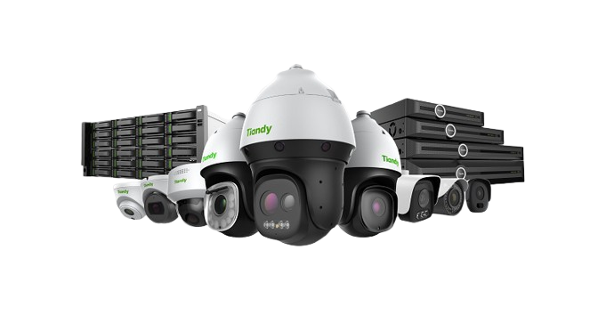
Model No. | Range | Product Description | Photos | Resolution | Lens | DORI | IR Distance | Stock Category | Trade Ex Vat
TC-C321N Spec:I3/E/Y/4MM/V2.0 | AK Series 2 | IP Camera: 1/3" CMOS Sensor with IR CUT (0.02Lux). S+265/H.265/H.264B(M)(H), DWDR, BLC and HLC. 1CH MIC. Plastic Housing |  | Entry Level 1080P (2MP) Motion Detection Only | 4mm | D : 40M O : 16M R : 8M I : 4M | 30M | Stock Item | 299.00
TC-C320N Spec:I3/E/Y/2.8mm/V2.0 | AK Series 2 | IP Camera: 1/3" CMOS Sensor with IR CUT (0.02Lux). S+265/H.265/H.264B(M)(H), DWDR, BLC and HLC. 1CH MIC. Plastic Housing |  | Entry Level 1080P (2MP) Motion Detection Only | 2.8mm |  | 30M |  | 299.00
TC-C321N Spec:I3/E/Y/4mm | AK Series 1 | IP Camera: 1/3" CMOS Sensor with IR CUT (0.02Lux). S+265/H.265/H.264B(M)(H), DWDR, BLC and HLC. 1CH MIC.Metal+plastic housing |  | 1080P (2MP) Motion Detection Only | 4mm/2.8mm |  | 30M |  | 369.57
TC-C320N Spec:I3/E/Y/2.8mm | AK Series 1 | IP Camera: 1/3" CMOS Sensor with IR CUT (0.02Lux). S+265/H.265/H.264B(M)(H), DWDR, BLC and HLC. 1CH MIC.Metal+plastic housing |  | 1080P (2MP) Motion Detection Only | 2.8mm |  | 30M |  | 369.57
TC-C321N Spec:AK/I3W/E/Y/4mm/V2.0 | AK Color Maker | IP Camera: 1/3" CMOS Sensor with IR CUT (0.02Lux). S+265/H.265/H.264B(M)(H), DWDR, BLC and HLC. 1CH MIC.Whitelight&IR.Plastic Housing |  | 1080P (2MP) Motion Detection Only | 4mm |  | 30M IR -15M WHITELIGHT |  | 478.26
TC-C320N Spec:AK/I3W/E/Y/2.8mm/V2.0 | AK Color Maker | IP Camera: 1/3" CMOS Sensor with IR CUT (0.02Lux). S+265/H.265/H.264B(M)(H), DWDR, BLC and HLC. 1CH MIC.Whitelight&IR.Plastic Housing |  | 1080P (2MP) Motion Detection Only | 2.8mm |  | 30M IR -15M WHITELIGHT |  | 478.26
TC-C32RN Spec:I5/E/Y/QX/2.8mm/V4.2 | Spark | IP Omni Camera with Dual Image Sensor: 1/3" CMOS Sensor with IR CUT (0.02Lux). S+265/H.265/H.264B(M)(H), DWDR, BLC and HLC. 1CH MIC. |  | 1080P (2MP) Motion Detection Only | 4mm | D : 42M O : 16M R : 8M I : 4M | 50M |  | 1071.00
TC-C32QN Spec:I5W/E/Y/4MM/V4.2 | Spark | IP Camera: 1/2.8" CMOS Sensor with IR CUT (0.02Lux). ONVIF Profile S/T/G/M, S+265/H.265/H.264B(M)(H), DWDR, BLC and HLC. 1CH MIC. Metal & Plastic Housing |  | Mid Range 1080P (2MP) Basic Analytics | 4MM | D : 38M O : 15M R : 7M I : 4M | 50M IR | Stock Item | 520.87
TC-C32XN Spec:I3W/E/Y/2.8mm/V4.2 | Spark |  |  |  | 2.8MM |  | 30M |  | 520.87
TC-C34QN Spec:I5W/E/Y/4MM/V4.2 | COLOR MAKER | IP Camera: 1/2.9" CMOS Sensor with IR CUT (0.02Lux). ONVIF Profile S/T/G/M, S+265/H.265/H.264B(M)(H), WDR, BLC and HLC. 1CH MIC. Metal & Plastic Housing |  | Mid Range 4MP Basic Analytics | 4MM | D : 56M O : 22M R : 11M I : 6M | 50M IR & 15M White Light Assisted |  | 840.00
TC-C34XN Spec:I3W/E/Y/2.8mm/V4.2 | COLOR MAKER |  |  |  | 2.8MM |  | 30M IR & 15M White Light Assisted |  | 840.00
TC-C32WS Spec:I5W/E/Y/S/2.8mm/V5.0 | Lite SMD | IP Camera: 1/2.8" CMOS Sensor with IR CUT (0.002Lux). ONVIF Profile S/T/G/M, S+265/H.265/H.264B(M)(H), TWDR, BLC and HLC. 1CH MIC, SD Card Slot. Metal & Plastic Housing |  | Advanced 1080P (2MP) Classification (Human & Vehicle) | 2.8mm | D : 38M O : 15M R : 8M I : 4M | 50M | Stock Item | 1120.00
TC-C32WP Spec:I5/E/Y/2.8mm/V4.0 | PRO | IP Camera: 1/2.8" CMOS Sensor with IR CUT (0.002Lux). ONVIF Profile S/T/G/M, S+265/H.265/H.264B(M)(H), TWDR, BLC and HLC. 1CH MIC, SD Card Slot. Metal & Plastic Housing |  | Advanced 1080P (2MP) Super Starlight | 2.8mm |  | 50M |  | 1120.00
TC-C34GS Spec:I5/E/Y/C/SD/4mm/V4.2 | SUPERLITE | IP Camera: 1/2.8" CMOS Sensor with IR CUT (0.002Lux). ONVIF Profile S/T/G/M, S+265/H.265/H.264B(M)(H), TWDR, BLC and HLC. 1CH MIC, SD Card Slot. Plastic Housing |  | Advanced (4MP) | 4mm | D : 39~165M O : 15~65M R : 7~33M I : 3~16M | 50M |  | 899.00
TC-C34KS Spec:I3/E/Y/C/SD/2.8mm/V4.2 | SUPERLITE | IP Camera: 1/2.8" CMOS Sensor with IR CUT (0.002Lux). ONVIF Profile S/T/G/M, S+265/H.265/H.264B(M)(H), TWDR, BLC and HLC. 1CH MIC, SD Card Slot.Vandal Dome.IK10 |  | Advanced (4MP) | 2.8mm |  | 30M |  | 1200.00
TC-C34HN Spec:I3/E/Y/C/2.8mm/V4.2 | SUPERLITE | IP Camera: 1/2.8" CMOS Sensor with IR CUT (0.002Lux). ONVIF Profile S/T/G/M, S+265/H.265/H.264B(M)(H), TWDR, BLC and HLC. 1CH MIC, Plastic Housing |  | Advanced (4MP) | 2.8mm |  | 30M |  | 913.00
TC-C35WS Spec:I5W/E/Y/S/2.8mm/V5.0 | Lite SMD | IP Camera: 1/2.8" CMOS Sensor with IR CUT (0.002Lux). ONVIF Profile S/T/G/M, S+265/H.265/H.264B(M)(H), TWDR, BLC and HLC. 1CH MIC, SD Card Slot. Metal & Plastic Housing |  | Advanced 5MP Classification (Human & Vehicle) | 2.8mm | D : 56M O : 22M R : 11M I : 6M | 50M |  | 1250.00
TC-C35KS Spec:I3/E/Y/S/2.8mm/V5.0 | Lite SMD | IP Camera: 1/2.8" CMOS Sensor with IR CUT (0.002Lux). ONVIF Profile S/T/G/M, S+265/H.265/H.264B(M)(H), TWDR, BLC and HLC. 1CH MIC, SD Card Slot.Vandal Dome.IK10 |  |  |  |  | 30M |  | 1269.00
TC-C35US Spec:I8/A/E/Y/M/S/H/2.7-13.5mm/V4.0 | Pro SMD | IP Camera: 1/2.7" CMOS Sensor with IR CUT (0.002Lux). ONVIF Profile S/T/G/M, S+265/H.265/H.264B(M)(H), TWDR, BLC and HLC. 1CH MIC, Audio I/O, Alarm I/O, SD Card Slot. Metal Housing |  | Advanced 5MP Classification (Human & Vehicle) Face Capture | 2.7-13.5mm | D : 56~240M O : 22~95M R : 11~48M I : 6~24M | 80M | Stock Item | 2100.00

TC-C34UV Spec:W/E/Y/M/S/4mm | Pro Polar Day | IP Camera: 1/1.8" CMOS Sensor with IR CUT (0.0001Lux). ONVIF Profile S/T/G/M, S+265/H.265/H.264B(M)(H), TWDR, BLC and HLC. 1CH MIC, Audio I/O, Alarm I/O, SD Card Slot. Metal Housing |  | Advanced 4MP Classification (Human & Vehicle) | 4mm | D : 80M O : 32M R : 16M I : 8M | 30M Warm White Light | Stock Item | 2519.00
TC-C34LQ Spec:LK/I3W/A/E/Y/M/S/H/LPR/8-32mm | Pro ANPR | IP Camera: 1/1.8" CMOS Sensor with IR CUT (0.0004Lux). ONVIF Profile S/T/G/M, S+265/H.265/H.264B(M)(H), TWDR, BLC and HLC. 1CH MIC, Audio I/O, Alarm I/O, SD Card Slot. Metal Housing |  | Advanced 4MP Classification / ANPR (Human & Vehicle) | 8-32mm | D : 110~441M O : 44~175M R : 22~88M I : 11~44M | 60M | Stock Item | -
TC-C35WQ Spec:I5W/E/Y/2.8mm/V4.2 | Pro Early Warning | IP Camera: 1/2.7" CMOS Sensor with IR CUT (0.002Lux). ONVIF Profile S/T/G/M, S+265/H.265/H.264B(M)(H), TWDR, BLC and HLC. 1CH MIC, Speaker, Audio I/O, Alarm I/O, SD Card Slot. Metal Housing |  | Advanced 5MP Classification (Human & Vehicle) Face Capture | 4mm | D : 56M O : 22M R : 11M I : 6M | 50M | Stock Item | 1763.00
TC-NC1261 | Pro Fisheye | IP Camera: 1/2.7" CMOS Sensor with IR CUT (0.02Lux). ONVIF Profile S/T/G, S+265/H.265/H.264B(M)(H), TWDR, BLC and HLC. 1CH MIC, Audio I/O, Alarm I/O, SD Card Slot.SPEAKER BUILT IN |  | Entry 12MP Heat Map Tripwire | 1.4mm | D : 24M O : 9M R : 5M I : 3M | 30M | Limited Stock | 6985.00
TC-C35WSF Spec:I5/E/Y/M/H/4mm/V4.1 | Pro | Metal housing.Up to 5MP,2880×1620@30fps.S+265/H.265/H.264B/H.264M/H.264H/Motion JPEG ·Color:0.002Lux@(F1.6,AGC ON),B/W:0Lux with IR.Face capture Camera |  | Advanced 5MP Face Recognition &Capture Camera | 4mm | D : 56M O : 22M R : 11M I : 6M | 50m | Limited Stock | 2521.00
TC-C35LQ Spec:I5W/E/Y/T/6mm/V4.2 | Pro Thermal | IP Camera: Dual Image Sensor. 1/2.7" CMOS Sensor with IR CUT (0.002Lux). ONVIF Profile S/T/G/M, S+265/H.265/H.264B(M)(H), TWDR, BLC and HLC. 1CH MIC, Speaker, Audio I/O, Alarm I/O, SD Card Slot. Metal Housing |  | Advanced Visual 5MP Thermal QCIF Tripwire | 6mm | D : 120M O : 48M R : 24M I : 12M | 50M | Order | -
TC-C382V Spec:W/E/Y/S/H/2.8mm | Pro Panoramic | IP Camera: Dual Image Sensor. 1/2.7" CMOS Sensor with IR CUT (0.0001Lux). ONVIF Profile S/T/G/M, S+265/H.265/H.264B(M)(H), TWDR, BLC and HLC. 1CH MIC, Speaker, Audio I/O, Alarm I/O, SD Card Slot. Metal Housing |  | Advanced 8MP Classification (Human & Vehicle) | 2.8mm | D : 56M O : 22M R : 11M I : 6M | 10M Warm White Light | Stock Item | 3778.00
TC-H324S Spec:23X/I/E/V3.0 | Pro SMD | IP Camera: 4" PTZ Dome Camera: 1/2.8" CMOS Starlight sensor with IR CUT (0.001 Lux). ONVIF Profile S/T/G/M, S+265/H.265/H.264B(M)(H), TWDR, DNR and AGC. TVS 6KV lightning protection. 24VDC, Waterproof IP66. Aluminium Housing |  | Advanced 2MP Classification (Human & Vehicle) | 5-115mm 23x Optical | D : 1351M O : 536M R : 270M I : 135M | 150M | Stock Item | 4589.00
TC-H348M Spec:63X/IL/E++/A | Ultra Laser | IP Camera: 8" PTZ Dome Camera with Auto Tracking and Early Warning: 1/1.8" CMOS Starlight sensor with IR CUT (0.001 Lux). ONVIF Profile S/T/G/M, S+265/H.265/H.264B(M)(H), Built in Speaker / Wiper, TWDR, DNR and AGC. TVS 6KV lightning protection. 36VDC/PoE++, Waterproof IP66. Aluminium Housing |  |  | 4.8-120mm 63x Optical | D : 3800M O : 1508M R : 760M I : 380M | 500M Laser | Order | -
TC-H366V Spec:4MP/25X/IW/E/A/2.8mm | Ultra Panoramic | IP Camera Multi Sensor: 6" PTZ Dome Camera with 3D Position Support and Ealry Warning: Pano: 1.18"CMOS, Detail: 1/2.7" CMOS Starlight sensor with IR CUT (0.0001 Lux). ONVIF Profile S/T/G/M, S+265/H.265/H.264B(M)(H), DWDR, DNR and AGC. TVS 6KV lightning protection. 24VDC/PoE+, Waterproof IP66. Aluminium Housing |  | Advanced 6MP Classification (Human & Vehicle) Face Capture | 5.7-359mm 25x Optical | D : 45~110~2200M O : 18~43~880M R : 9~22~444M I : 5~11~222M | 150M | Limited Stock | 12589.00
TC-H358M Spec:44X/IT/A | Ultra Thermal | IP Camera: 8" Dual Image Sensor PTZ Dome Camera with Auto Tracking: 1/2.7" CMOS Starlight sensor with IR CUT (0.001 Lux). ONVIF Profile S/T/G/M, S+265/H.265/H.264B(M)(H), TWDR, DNR and AGC. TVS 6KV lightning protection. 24VDC, Waterproof IP66. Aluminium & Plastic Housing |  | Advanced Visual 5MP Thermal CIF Classification | 6-264mm 44x Optical 50mm Thermal | D : 4510(V)~1471(H)M R : 1127(V)~368(H)M I : 564(V)~184(H)M | 300M | Order

POE.CABLE
Model No. | Channels | Product Description | Photos | Stock Category | TRADE ex VAT
TC-P3S010 Spec:H/0820/AT/90 | 8 PORT POE | ·Flow control method: IEEE 802.3x standard is used for full duplex, and Back pressure standard is used for half duplex; ·Zero configuration feature, automatically supplied to adaptive devices; ·Monitor the working status of the panel indicator light and assist in fault analysis; ·It is equipped with a three gear one key intelligent Dip switch, which supports VLAN, Default and Extend modes; ·Support port lightning surge: common mode 4KV, differential mode 2KV; Electrostatic ESD: air 8KV, contact 6KV.（level B |  | IN STOCK | 913
TC-P3S019 Spec:H/1621/AT/180 | 16 PORT POE |  |  | IN STOCK | 2117.39
TC-P3S027 Spec:H/2421/AT/260 | 24 PORT POE |  |  | IN STOCK | 2723.48
SACAT6P | 500M DRUM | AWG Rating: 23 Cable Length: 500m Colour: Black Conductor Dimensions: 0.56mm Construction: UTP – CCA Copper Clad Aluminium Cross Filter: Yes ESD Drain Wire: Yes – Copper Clad Aluminium Number of Pairs: 4 Outer Jacket: UV-PE | 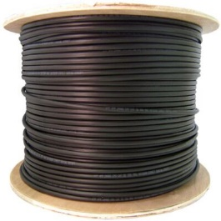 | IN STOCK | 1854.78
SACAT6305 | 305M DRUM | AWG Rating: 23 Cable Length: 500m Colour: Grey Conductor Dimensions: 0.56mm Construction: UTP – CCA Copper Clad Aluminium Cross Filter: Yes ESD Drain Wire: None Number of Pairs: 4 Outer Jacket: PVC | 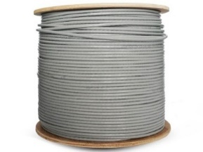 | IN STOCK | 955.65
SACAT6500 | 500M DRUM | AWG Rating: 23 Cable Length: 500m Colour: Grey Conductor Dimensions: 0.56mm Construction: UTP – CCA Copper Clad Aluminium Cross Filter: Yes ESD Drain Wire: None Number of Pairs: 4 Outer Jacket: PVC |  |  | 1460.87

Wireless and Battery Cams
Model No. | Product Description | Photos | Stock Category | TRADE ex VAT
TC-H363U Spec:W/4G/U/SE/4mm/V4.1 | • Up to Panorama:3MP,2304×1296@15fps Detail:3MP,2304×1296@15fps • S+265/H.265/H.264B/H.264M/H.264H • Color:0.002Lux@(F1.6,AGC ON),B/W:0Lux with IR • Built-in Mic, Built-in Speaker • Support microSD/microSDHC/microSDXC card,up to 256GB • DC5V/2A • 10400 mAh battery capacity • Solar panel included • Nano SIM card slot | 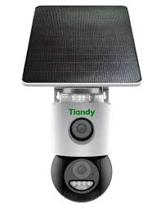 | IN STOCK | 2099
TC-C32CN Spec:I3W/U/WIFI/2.8mm/V4.0 | Up to 2MP,1920×1080@25fps S+265/H.265/H.264B/H.264M/H.264H Color:0.02Lux@(F2.0,AGC ON),B/W:0Lux with IR IR range up to 30m Built-in Mic, Built-in Speaker Support microSD/microSDHC/microSDXC card,up to 256GB Operating conditions -10℃~50℃(14℉~122℉), ≤95%RH DC5V/2A 5200mAh battery capacity | 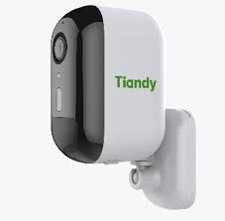 | IN STOCK | 1050
TC-C32QN Spec:I5W/WIFI/Eu/2.8mm/V4.0 | Transmission Distance Up tp 50m( based on actual environment) Up to 2MP,1920×1080@20fps S+265/H.265/H.264B/H.264M/H.264H Color:0.02Lux@(F2.0,AGC ON),B/W:0Lux with IR IR range up to 50m Built-in Mic, Built-in Speaker Support microSD/microSDHC/microSDXC card,up to 512GB Operating conditions -30℃~60℃(-22℉~140℉), ≤95%RH DC12V±25%,Max. 7.5W IP67 |  | IN STOCK | 869
TC-H363N Spec:I5W/WIFI/Eu/4mm/V4.0 | • Plastic housing • Up to Panorama:3MP,2304×1296@15fps Detail:3MP,2304×1296@15fps • S+265/H.265/H.264B/H.264M/H.264H • Color:0.002Lux@(F1.6,AGC ON),B/W:0Lux with IR • Built-in Mic, Built-in Speaker • Support microSD/microSDHC/microSDXC card,up to 256GB • Operating conditions -10℃~50℃(14℉~122℉), ≤95%RH • DC12V/3a • IP65 • Solar panel included | 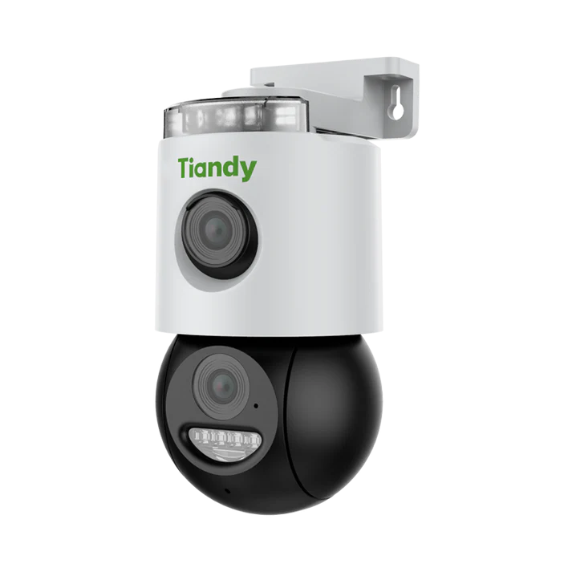 | IN STOCK | 1989
TC-H333N Spec:I5W/C/WIFI/Eu/4mm/V4.2 | Transmission Distance Up tp 50m( based on actual environment) Up to 2MP,1920×1080@20fps S+265/H.265/H.264B/H.264M/H.264H Color:0.02Lux@(F2.0,AGC ON),B/W:0Lux with IR IR range up to 50m Built-in Mic, Built-in Speaker Support microSD/microSDHC/microSDXC card,up to 512GB Operating conditions -30℃~60℃(-22℉~140℉), ≤95%RH DC12V±25%,Max. 7.5W IP67 | 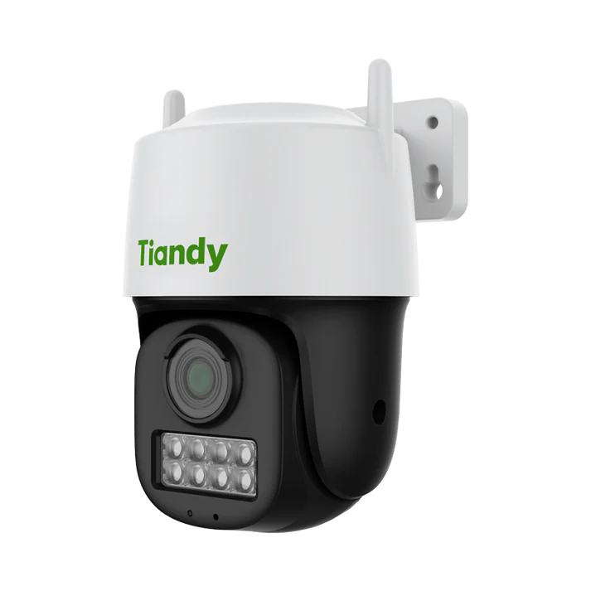 | IN STOCK | 1989
TC-H333K Spec:AK/I5W/WIFI/4mm | Transmission Distance Up tp 50m( based on actual environment) Up to 2MP,1920×1080@20fps S+265/H.265/H.264B/H.264M/H.264H Color:0.02Lux@(F2.0,AGC ON),B/W:0Lux with IR IR range up to 50m Built-in Mic, Built-in Speaker Support microSD/microSDHC/microSDXC card,up to 512GB Operating conditions -30℃~60℃(-22℉~140℉), ≤95%RH DC12V±25%,Max. 7.5W IP67 | 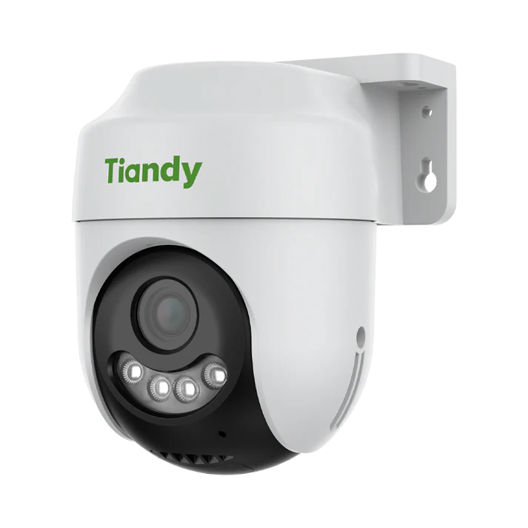 | IN STOCK | 1989

